ACCOUNT REGISTRATION
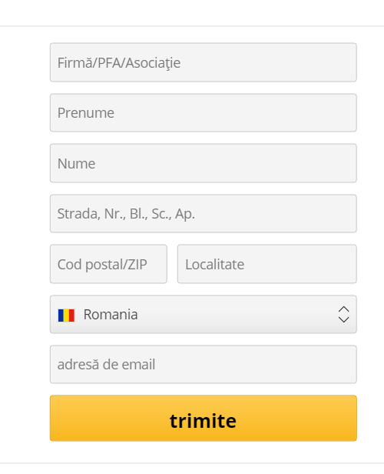
SMOKE TEST - THOMANN.DE/RO - ACCOUNT REGISTRATION

TEST CASES -TEST LINK | TYPE OF TEST DATA | COMPANY | PRENUME | NUME | STRADA,NR,BLOC,AP | COD POSTAL | LOCALITATE | TARA | E-MAIL | PASSWORD
naqa6-454 | VALID | - | Dor | Deluna | Principala nr.22P | 407148 | Capusu Mic | Romania | dordeluna@gmail.com
naqa6-445 | INVALID | - | Vasilica | Gheorghe | Mare nr.4 | 407310 | Gilau | Romania | vas^lica@gnail.com
naqa-446 | INVALID ZIP-CODE | - | Dor | Deluna | Principala nr.22P | 400892 | Gilau | Romania | dordeluna@gmail.com |  | fake zip code + same mail address
naqa-456 | VALID | - | Ashleigh | Cormier | 586 Auer Prairie | 93546 | Port Clint | Romania | your.email+fakedata55901@gmail.com
naqa-447 | VALID |  |  |  |  |  |  |  | dordeluna@gmail.com | dordeluna@gmail.com

 |  |  |  |  | SNAPSHOT -- REGISTRATION FORM ON THOMANN.DE/RO

